Sheet1
 |  |  |  |  |  | TESTER NAME: RAHMAT SASONGKO | PROJECT: MILE APP
 |  |  |  |  |  | TEST DATE: 22/02/2021 | TEST PLATFORM: WEB
 |  |  |  |  |  | LANGUAGE : ENGLISH | DEVICE / BROWSER: CHROME

TC | Tester | Type | Positve / Negative | Test Case Description | Method | Target URL | Request API (JSON) | Response API (JSON) | Expected Result | Actual Result | Status
TC_1 | Rahmat S | API Test | Positive | Test Condition: API Login Organization | POST | https://apidev.mile.app/v1/org_login | { "org_name": "testonboard" } | { "_id": "5d108fe4e21af452772be42e", "beta_register": 0, "status": 1, "name": "testonboard", "logo": "https://firebasestorage.googleapis.com/v0/b/logo_org/o/star_wars_the_force_awakens_main_characters_105940_1920x1080.jpg?alt=media&token=2d5c7225-bf10-419c-8d2b-06d7330ddd5c" } | testonboard | testonboard | PASS | 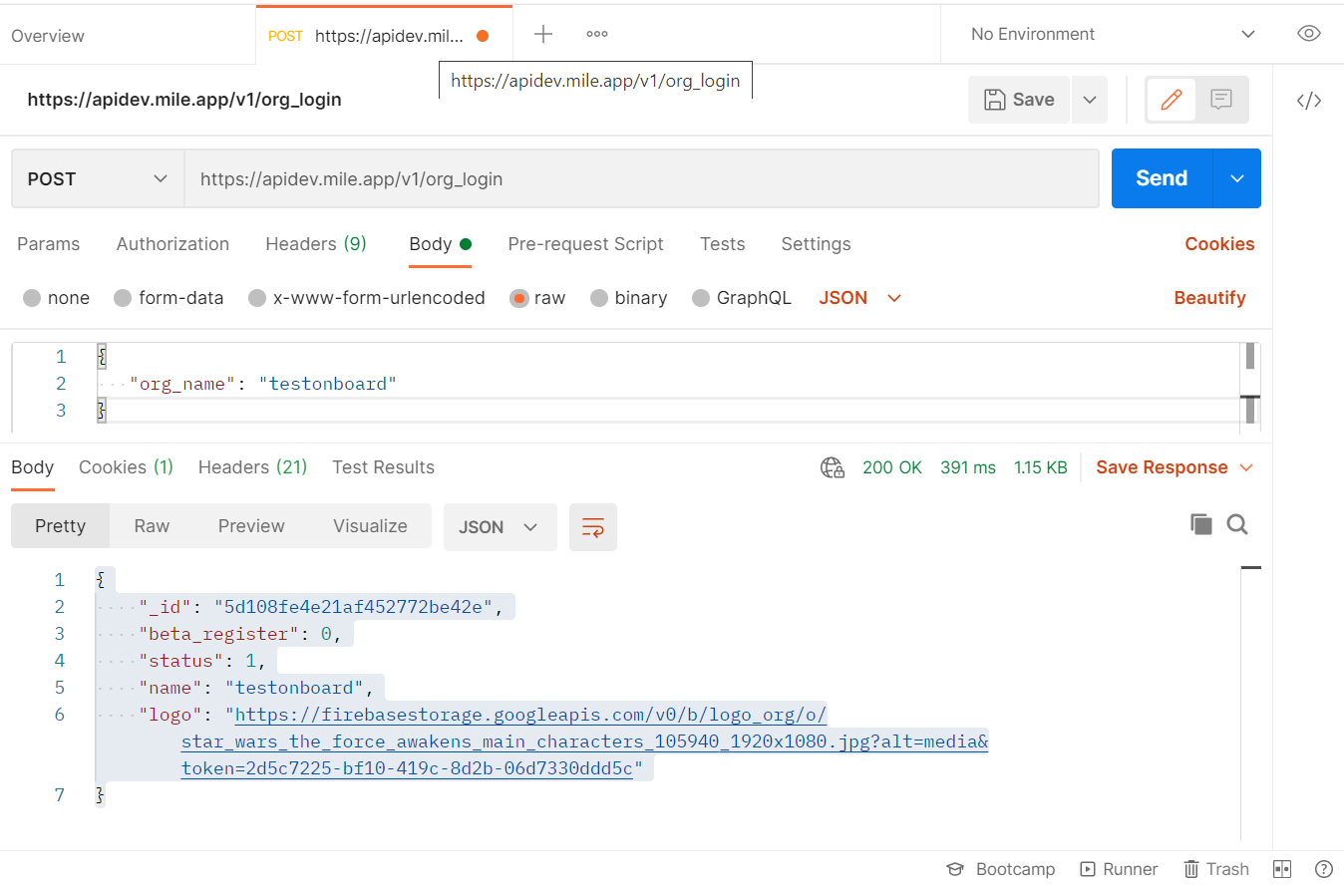

TC_2 | Rahmat S | API Test | Negative | Test Condition: API Login Organization | POST | https://apidev.mile.app/v1/org_login | { "org_name": "TESTASAL" } | { "message": "Organization not found" } | Organization not found | Organization not found | PASS | 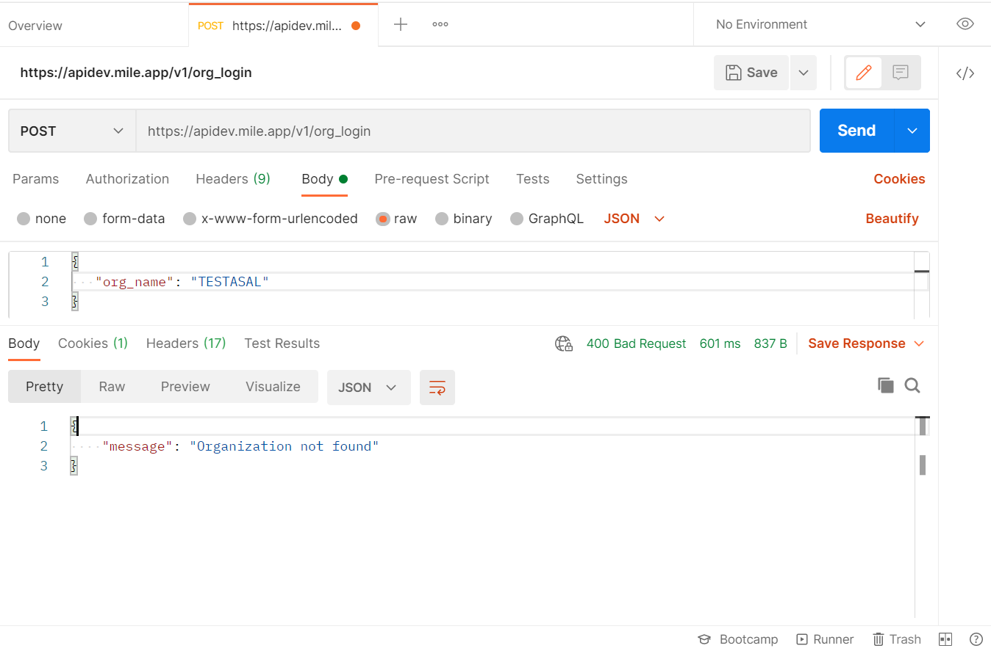

TC_3 | Rahmat S | API Test | Positive | Test Condition: API Login Usename Password | POST | https://apidev.mile.app/v1/org_login | { "org_name": "testonboard", "user": { "email": "test@mailinator.com", "password": "test123" } } | { "status": false, "message": "The user.email field is required." } | Organization not found | Organization not found | PASS | 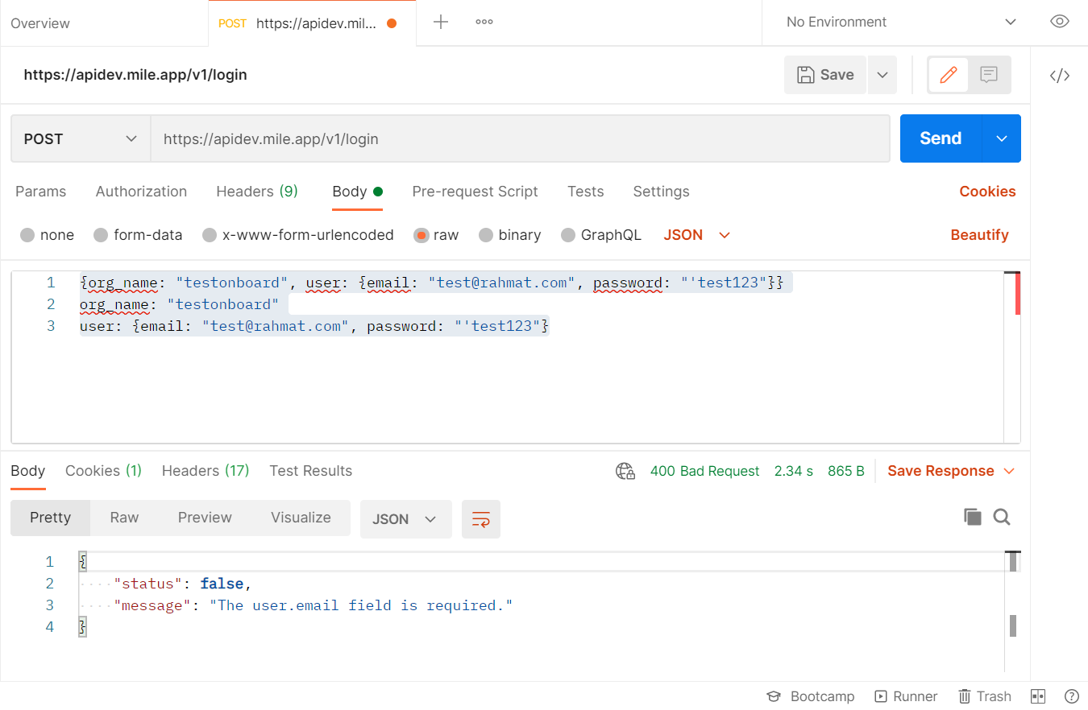

TC_4 | Rahmat S | API Test | Negative | Test Condition: API Login Usename Password | POST | https://apidev.mile.app/v1/org_login | { "org_name": "testonboard", "user": { "email": "test@", "password": "test123" } } | { "status": false, "message": "The user.email field is required." } | Organization not found | Organization not found | PASS | 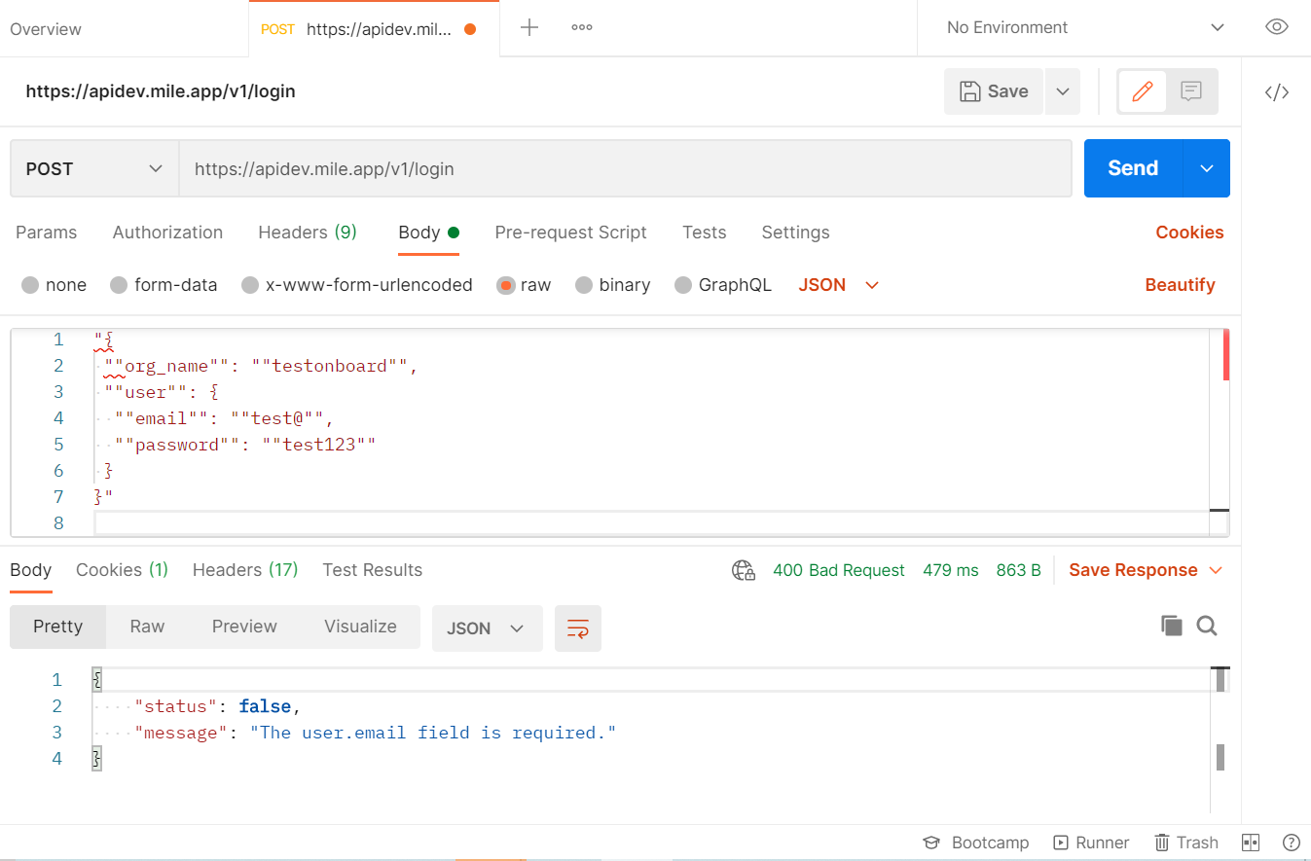

TC_5 | Rahmat S | API Test | Negative | Test Condition: API Login Usename Password | POST | https://apidev.mile.app/v1/org_login | { "org_name": "testonboard", "user": { "email": "test", "password": "test123" } } | { "status": false, "message": "The user.email field is required." } | Organization not found | Organization not found | PASS | 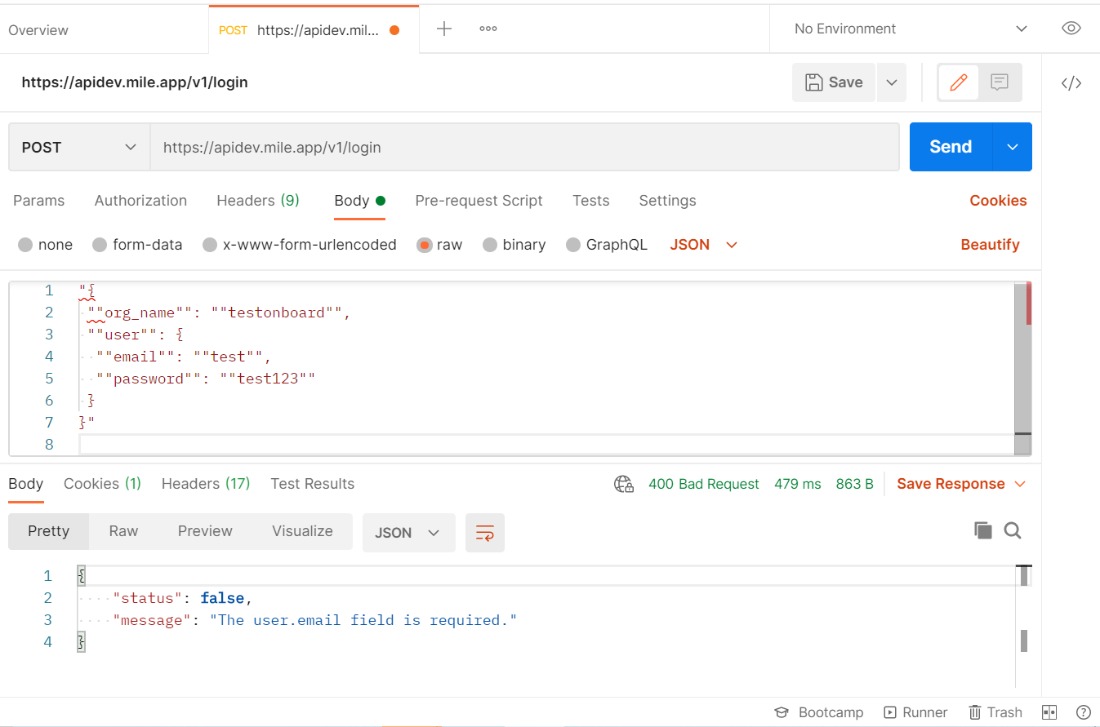

TC_6 | Rahmat S | API Test | Negative | Test Condition: API Login Usename Password | POST | https://apidev.mile.app/v1/org_login | { "org_name": "testonboard", "user": { "email": "", "password": "" } } | { "status": false, "message": "The user.email field is required." } | Organization not found | Organization not found | PASS | 